Sheet
Reaction | Reaction ID | Reactant CAS | Avaliable at MIT | Procedure | Links to Reaxys
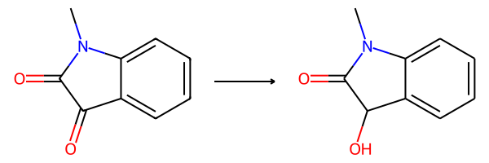 | 116924 | 2058-74-4 | buchwald | N-Methylisatin (2.5 g, 15.5 mmol) was suspended in CH3OH (45 mL) and NaBH4 (0.75 g, 19.8 mmol) was added in one portion at 0 °C under vigorous stirring. After 5 min, the homogeneous decolorized solution was evaporated at 30 °C under vacuum and the residue was extracted with EtOAc (100 mL). The organic phase was washed with water (2 × 20 mL) and brine (40 mL), dried with anhydrous Na2SO4, and evaporated. The crude product was crystallized from CH3OH (5 mL) by cooling to −20 °C. White crystals (1.9 g, 75%); m.p. 151- 152 °C; 1H NMR (400 MHz, CDCl3) δ 7.47 (d, J 7.3 Hz, 1H, Ar-H), 7.33 (t, J 7.7 Hz, 1H, Ar- H), 7.11 (t, J 7.5 Hz, 1H, Ar-H), 6.82 (d, J 7.8 Hz, 1H, Ar-H), 5.12 (s, 1H, CH), 4.71 (bs, 1H, OH), 3.18 (s, 3H, CH3); 13C NMR (100 MHz, CDCl3) δ (ppm): 177.4, 143.7, 129.7, 127.1, 125.1, 123.2, 108.4, 69.8, 26.2 | 75 | https://www.reaxys.com/reaxys/secured/hopinto.do?context=C&query=CNR.CNR%3D83488670&database=RX&origin=ReaxysOutput&ln=
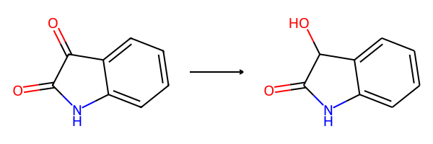 | 548023 | 91-56-5 | buchwald | Prepared from isatin (4.56 g, 31 mmol) and NaBH4 (1.50 g, 19.8 mol) in CH3OH (60 ml) at 0 °C using the same procedure as for 3-hydroxy-N-methyloxindole (ID: 116924 above). The solid residue was triturated with Et2O (15 mL) at 0 °C. White crystals (2.3 g, 50%); m. p. 165-167 °C; 1H NMR (400 MHz, DMSO-d6) δ: 10.23 (bs, 1H, NH), 7.28 (d, J = 7.3 Hz, 1H, ArH), 7.20 (t, J = 7.6 Hz, 1H, ArH), 6.95 (t, J = 7.4 Hz, 1H, ArH), 6.78 (d, J = 7.6 Hz, 1H, ArH), 6.18 (d, J = 7.6 Hz, 1H, CH), 4.82 (d, J = 7.6 Hz, 1H, OH). ). 13C NMR (100 MHz, DMSO-d6) δ: 178.1 (C=O), 142.3, 129.4, 129.1, 124.9, 121.7, 109.6, 69.3 correspond to Ref. [6] | 50 | https://www.reaxys.com/reaxys/secured/hopinto.do?context=C&query=CNR.CNR%3D83488670&database=RX&origin=ReaxysOutput&ln=
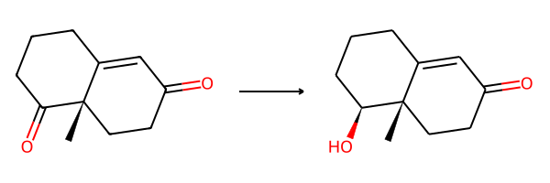 | 1818310 | 33878-99-8 | wendlandt | To a solution of Wieland-Miescher ketone (1.0 g, 5.6 mmol) exhibiting (a], + 100 (c 1.0, toluene) in methanol (30 mL) at 0°C was added, dropwise, a solution of NaBH, (0.14 g, 3.7 mmol) in methanol (20 mL). The solution was stirred at 0°C for 30 min and several drops of acetic acid were added. The mixture was concentrated under vacuum, water was added, and the product was extracted into ether (3 X 20 mL), dried, concentrated, and purified by flash chromatography (elution with 30% ethyl acetate in petroleum ether) to give 0.980 g (97%) of the 2ß-ol-S-one as a colorless oil; [al + 183 (c 1.7, CHCl); ir (CHCl,): 3600, 3450, 1665, and 1620 cm'; 'H mr (300 MHz, CDCl;) &; 5.73 (s, 1H), 3.37 (dd, J = 1 1.5, 4.4 Hz, 1 H), 2.66 (br s, lH), 2.45-2.10 (series of m, 6H), 1.82 (m, 2H), 1.64 (m, IH), 1.45 (m, lH), 1.15 (s, 3H); I3c nrnr (75 MHz, CDCl,): 199.84, 169.04, 125.17, 77.95, 41.58, 34.10, 33.59, 31.96, 30.09, 23.08, 15.19 ppm; ms m/z (M+) calcd.: 180.1 150; found: 180.1 167. | 97 | https://www.reaxys.com/reaxys/secured/hopinto.do?context=C&query=CNR.CNR%3D5707398&database=RX&origin=ReaxysOutput&ln=
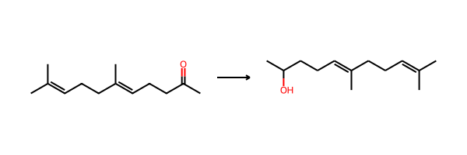 | 997369 | 3796-70-1 | buchwald | To a clear solution of geranyl acetone 2 (1.94 g, 10 mmol) in anhydrous MeOH (20 mL) was added sodium borohydride (380 mg, 10 mmol) portionwise at 0°C with stirring. The reaction completed after 0.5 h, then, was quenched with H2O. The reaction mixture was extracted with Et2O (100 mL), and washed sequentially with H2O and brine, then dried and concentrated. The residue was purified on silica gel to afford a pale yellow oil (1.92 g, 98%), | 98 | https://www.reaxys.com/reaxys/secured/hopinto.do?context=C&query=CNR.CNR%3D6409544&database=RX&origin=ReaxysOutput&ln=
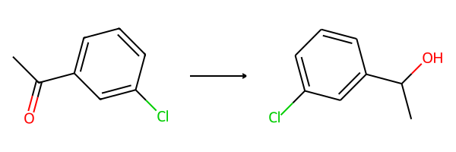 | 759034 | 99-02-5 | buchwald | In a scintillation vial, 100 mg of the acetophenone derivative was dissolved in methanol open to air and cooled to 0 oC. To the vial were added 8 equivalents NaBH4 and the reaction was stirred for 30 minutes. The reaction mixture was diluted with water and extracted with ethyl acetate. The ethyl acetate extract was concentrated, dried with Na2SO4 and purified via column chromatography (gradient: 10-25% ethyl acetate in hexanes) to yield the racemic alcohols in high yield. | 98 | https://www.reaxys.com/reaxys/secured/hopinto.do?context=C&query=CNR.CNR%3D76716408&database=RX&origin=ReaxysOutput&ln=
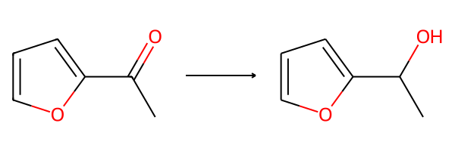 | 1563771 | 1192-62-7 | buchwald | Acetylfuran (20.0 g, 182 mmol, 1.0 equiv) was dissolved in 200 mL of methanol, and cooled to 0 oC. Solid sodium borohydride (7.56 g, 200. mmol, 1.1 equiv) was added in small portions over 10 minutes. When addition was complete, the reaction was stirred for one hour until TLC revealed that all starting material was consumed and a new spot had formed. The reaction mixture was poured into a separatory funnel containing 150 mL of H2O and 100 mL of ethyl acetate. These layers were separated and the aqueous phase was extracted with EtOAc (4 x 125 mL). The combined organic layers were then washed with brine, and the brine layer was extracted with EtOAc (7 x 125 mL). All organic layers were concentrated to give the pure product as a yellow oil (18.4 g, 90%). | 90 | https://www.reaxys.com/reaxys/secured/hopinto.do?context=C&query=CNR.CNR%3D7179648&database=RX&origin=ReaxysOutput&ln=
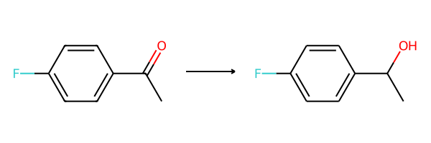 | 578384 | 403-42-9 | buchwald | In a scintillation vial, 100 mg of the acetophenone derivative was dissolved in methanol open to air and cooled to 0 oC. To the vial were added 8 equivalents NaBH4 and the reaction was stirred for 30 minutes. The reaction mixture was diluted with water and extracted with ethyl acetate. The ethyl acetate extract was concentrated, dried with Na2SO4 and purified via column chromatography (gradient: 10-25% ethyl acetate in hexanes) to yield the racemic alcohols in high yield. | 64 | https://www.reaxys.com/reaxys/secured/hopinto.do?context=C&query=CNR.CNR%3D76716408&database=RX&origin=ReaxysOutput&ln=

